start
properties | value | units
Nama | CPT-01 | -
Tanggal | 1-Jan-20 | -
X | 1000 | m
Y | 1200 | m
Z | 5 | m+ref
 |  |  |  | NON-NORMALIZED CPTU SBT
Depth (m) | qc (MPa) | fs(kPa) | Rf(%)
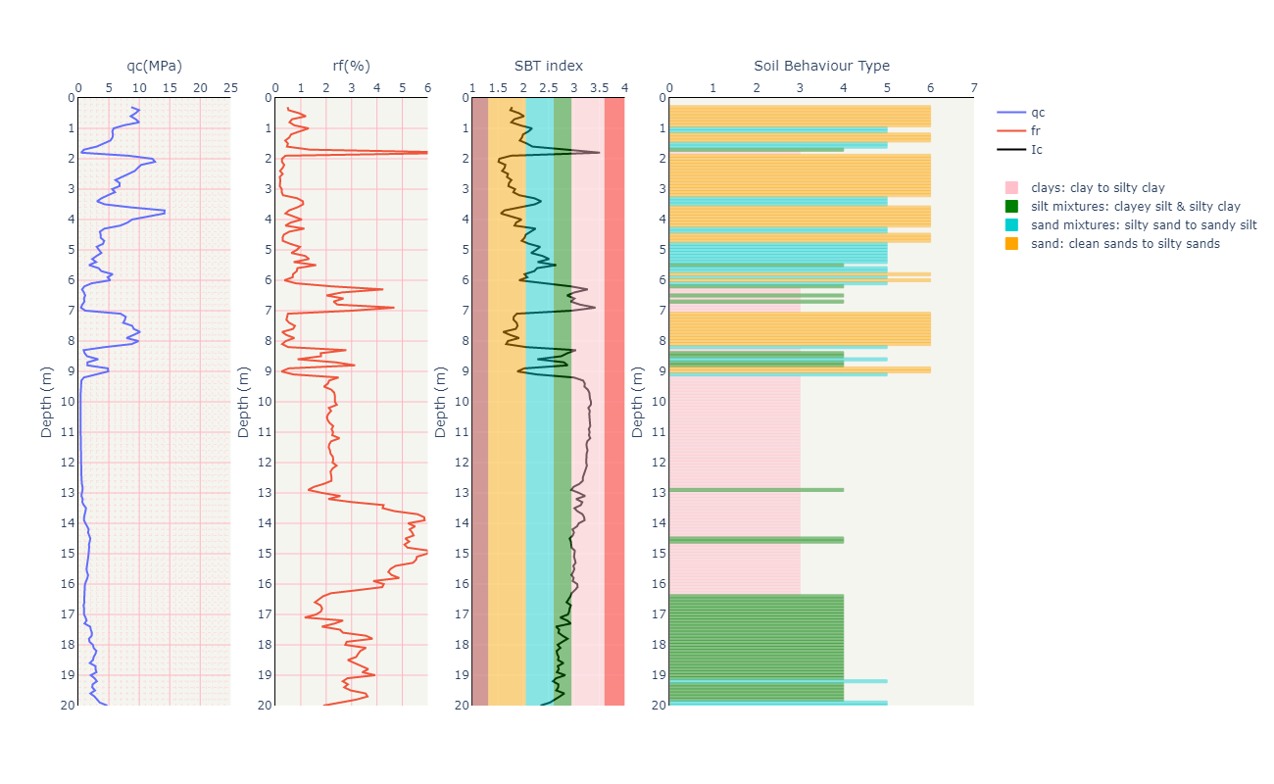
0.3 | 8.67 | 41.4 | 0.47750865052
0.4 | 9.96 | 51.1 | 0.51305220884
0.5 | 9.39 | 87.4 | 0.93077742279
0.6 | 8.59 | 103 | 1.1990686845
0.7 | 9.42 | 61.4 | 0.65180467091
0.8 | 9.99 | 55.4 | 0.55455455455
0.9 | 7.45 | 55.6 | 0.74630872483
1 | 5.78 | 75.5 | 1.3062283737
1.1 | 5.57 | 52.8 | 0.94793536804
1.2 | 5.67 | 34.7 | 0.61199294533
1.3 | 5.6 | 30.6 | 0.54642857143
1.4 | 5.26 | 20.3 | 0.38593155894
1.5 | 4.12 | 20.3 | 0.4927184466
1.6 | 3 | 13.6 | 0.45333333333
1.7 | 0.91 | 12.4 | 1.3626373626
1.8 | 0.46 | 34.7 | 7.5434782609
1.9 | 8.24 | 32.1 | 0.3895631068
2 | 12.16 | 31.7 | 0.26069078947
2.1 | 12.58 | 32.1 | 0.25516693164
2.2 | 10.32 | 35.7 | 0.34593023256
2.3 | 9.76 | 27.8 | 0.28483606557
2.4 | 9.28 | 17 | 0.18318965517
2.5 | 8.22 | 23.4 | 0.28467153285
2.6 | 7.21 | 12.2 | 0.16920943135
2.7 | 6.08 | 11.8 | 0.19407894737
2.8 | 6.77 | 12.8 | 0.18906942393
2.9 | 6.75 | 11.5 | 0.17037037037
3 | 5.54 | 13.8 | 0.24909747292
3.1 | 6.02 | 14.9 | 0.24750830565
3.2 | 4.85 | 14.4 | 0.29690721649
3.3 | 3.8 | 32.5 | 0.85526315789
3.4 | 3.05 | 33 | 1.0819672131
3.5 | 4.32 | 47.2 | 1.0925925926
3.6 | 8.63 | 73.9 | 0.85631517961
3.7 | 14.15 | 76 | 0.5371024735
3.8 | 14.11 | 55.8 | 0.39546420978
3.9 | 11.1 | 75.8 | 0.68288288288
4 | 8.82 | 91.3 | 1.0351473923
4.1 | 8.08 | 48.6 | 0.60148514851
4.2 | 6.88 | 26.9 | 0.39098837209
4.3 | 4.27 | 48.6 | 1.1381733021
4.4 | 3.53 | 19.2 | 0.54390934844
4.5 | 3.66 | 12 | 0.32786885246
4.6 | 3.66 | 10.3 | 0.28142076503
4.7 | 4.23 | 12 | 0.28368794326
4.8 | 4.04 | 23.6 | 0.58415841584
4.9 | 3 | 28.9 | 0.96333333333
5 | 3.45 | 29 | 0.84057971014
5.1 | 3.77 | 23.6 | 0.62599469496
5.2 | 2.98 | 35 | 1.1744966443
5.3 | 2.27 | 30.1 | 1.3259911894
5.4 | 2.91 | 21 | 0.72164948454
5.5 | 1.74 | 27.9 | 1.6034482759
5.6 | 3.31 | 28.7 | 0.8670694864
5.7 | 3.77 | 31.6 | 0.83819628647
5.8 | 5.64 | 39 | 0.6914893617
5.9 | 4.8 | 32.7 | 0.68125
6 | 5.23 | 18.5 | 0.35372848948
6.1 | 2.19 | 17.6 | 0.80365296804
6.2 | 0.99 | 21.9 | 2.2121212121
6.3 | 0.6 | 25.5 | 4.25
6.4 | 0.9 | 23.6 | 2.6222222222
6.5 | 1.12 | 22.5 | 2.0089285714
6.6 | 0.91 | 24.4 | 2.6813186813
6.7 | 1 | 22.9 | 2.29
6.8 | 0.64 | 15.6 | 2.4375
6.9 | 0.42 | 19.7 | 4.6904761905
7 | 1.14 | 34.5 | 3.0263157895
7.1 | 6.92 | 34.1 | 0.49277456647
7.2 | 7.76 | 35.3 | 0.45489690722
7.3 | 7.64 | 32.9 | 0.43062827225
7.4 | 7.36 | 39.8 | 0.54076086957
7.5 | 8.84 | 67.9 | 0.76809954751
7.6 | 9.09 | 63.5 | 0.69856985699
7.7 | 10.13 | 26.7 | 0.26357354393
7.8 | 9.06 | 39 | 0.43046357616
7.9 | 7.9 | 58.8 | 0.74430379747
8 | 9.88 | 40.2 | 0.40688259109
8.1 | 8.75 | 23.2 | 0.26514285714
8.2 | 4.33 | 21.9 | 0.50577367206
8.3 | 0.86 | 24 | 2.7906976744
8.4 | 1.03 | 18.4 | 1.786407767
8.5 | 1.43 | 25.6 | 1.7902097902
8.6 | 3.27 | 28.6 | 0.874617737
8.7 | 1.49 | 35.3 | 2.3691275168
8.8 | 1.48 | 46.5 | 3.1418918919
8.9 | 4.84 | 25.1 | 0.51859504132
9 | 4.9 | 11.6 | 0.23673469388
9.1 | 3.01 | 21.5 | 0.71428571429
9.2 | 0.9 | 22.4 | 2.4888888889
9.3 | 0.5 | 10.6 | 2.12
9.4 | 0.45 | 9.3 | 2.0666666667
9.5 | 0.44 | 8.4 | 1.9090909091
9.6 | 0.4 | 8.8 | 2.2
9.7 | 0.38 | 8.8 | 2.3157894737
9.8 | 0.38 | 8.9 | 2.3421052632
9.9 | 0.37 | 8.7 | 2.3513513514
10 | 0.35 | 8.2 | 2.3428571429
10.1 | 0.36 | 8.7 | 2.4166666667
10.2 | 0.38 | 8 | 2.1052631579
10.3 | 0.36 | 7.9 | 2.1944444444
10.4 | 0.36 | 7.5 | 2.0833333333
10.5 | 0.35 | 7.1 | 2.0285714286
10.6 | 0.35 | 7.2 | 2.0571428571
10.7 | 0.36 | 7.7 | 2.1388888889
10.8 | 0.36 | 8.2 | 2.2777777778
10.9 | 0.38 | 8.4 | 2.2105263158
11 | 0.37 | 8.4 | 2.2702702703
11.1 | 0.38 | 8.5 | 2.2368421053
11.2 | 0.38 | 9.6 | 2.5263157895
11.3 | 0.41 | 9 | 2.1951219512
11.4 | 0.42 | 8.9 | 2.119047619
11.5 | 0.41 | 8.6 | 2.0975609756
11.6 | 0.4 | 8.6 | 2.15
11.7 | 0.42 | 9.1 | 2.1666666667
11.8 | 0.43 | 9.7 | 2.2558139535
11.9 | 0.43 | 9.8 | 2.2790697674
12 | 0.44 | 9.9 | 2.25
12.1 | 0.44 | 10.6 | 2.4090909091
12.2 | 0.45 | 10.1 | 2.2444444444
12.3 | 0.47 | 10.2 | 2.170212766
12.4 | 0.49 | 10.8 | 2.2040816327
12.5 | 0.52 | 11.5 | 2.2115384615
12.6 | 0.52 | 11.5 | 2.2115384615
12.7 | 0.57 | 10.9 | 1.9122807018
12.8 | 0.68 | 10.3 | 1.5147058824
12.9 | 0.7 | 9 | 1.2857142857
13 | 0.57 | 10.5 | 1.8421052632
13.1 | 0.5 | 12.8 | 2.56
13.2 | 0.71 | 14.8 | 2.0845070423
13.3 | 0.64 | 19.2 | 3
13.4 | 0.88 | 37.5 | 4.2613636364
13.5 | 1.26 | 53.2 | 4.2222222222
13.6 | 1.16 | 54.5 | 4.6982758621
13.7 | 0.99 | 55.4 | 5.595959596
13.8 | 0.93 | 54.5 | 5.8602150538
13.9 | 0.91 | 53.5 | 5.8791208791
14 | 1.16 | 60.6 | 5.224137931
14.1 | 1.34 | 73.7 | 5.5
14.2 | 1.69 | 89.3 | 5.2840236686
14.3 | 1.58 | 85.1 | 5.3860759494
14.4 | 1.71 | 93.1 | 5.4444444444
14.5 | 1.96 | 100.3 | 5.1173469388
14.6 | 1.86 | 98 | 5.2688172043
14.7 | 1.74 | 88.5 | 5.0862068966
14.8 | 1.76 | 91.5 | 5.1988636364
14.9 | 1.66 | 100.5 | 6.0542168675
15 | 1.68 | 100.4 | 5.9761904762
15.1 | 1.62 | 90.3 | 5.5740740741
15.2 | 1.53 | 84.8 | 5.5424836601
15.3 | 1.44 | 78 | 5.4166666667
15.4 | 1.47 | 69.6 | 4.7346938776
15.5 | 1.34 | 60.8 | 4.5373134328
15.6 | 1.41 | 62.7 | 4.4468085106
15.7 | 1.59 | 72.7 | 4.572327044
15.8 | 1.48 | 72.2 | 4.8783783784
15.9 | 1.3 | 50.1 | 3.8538461538
16 | 1.08 | 46.1 | 4.2685185185
16.1 | 1.05 | 44.2 | 4.2095238095
16.2 | 1.01 | 32.7 | 3.2376237624
16.3 | 0.93 | 20.4 | 2.1935483871
16.4 | 0.9 | 16.9 | 1.8777777778
16.5 | 0.96 | 16.6 | 1.7291666667
16.6 | 0.99 | 15.4 | 1.5555555556
16.7 | 0.85 | 15.1 | 1.7764705882
16.8 | 0.93 | 17.1 | 1.8387096774
16.9 | 0.94 | 16.9 | 1.7978723404
17 | 0.94 | 15.1 | 1.6063829787
17.1 | 1.17 | 13.5 | 1.1538461538
17.2 | 1.35 | 36 | 2.6666666667
17.3 | 1.01 | 23.5 | 2.3267326733
17.4 | 1.93 | 35.3 | 1.829015544
17.5 | 2.04 | 51.8 | 2.5392156863
17.6 | 2.21 | 58.8 | 2.6606334842
17.7 | 2.19 | 78.1 | 3.5662100457
17.8 | 1.73 | 66.2 | 3.8265895954
17.9 | 1.83 | 51.3 | 2.8032786885
18 | 2.38 | 65.5 | 2.7521008403
18.1 | 2.5 | 89.2 | 3.568
18.2 | 2.95 | 98.7 | 3.3457627119
18.3 | 2.8 | 91.2 | 3.2571428571
18.4 | 2.51 | 79.8 | 3.1792828685
18.5 | 2.39 | 68.1 | 2.8493723849
18.6 | 1.88 | 59 | 3.1382978723
18.7 | 2.8 | 95.1 | 3.3964285714
18.8 | 2.81 | 102.9 | 3.6619217082
18.9 | 2.97 | 101.5 | 3.4175084175
19 | 2.03 | 79.8 | 3.9310344828
19.1 | 2.66 | 75.5 | 2.8383458647
19.2 | 3.03 | 80.3 | 2.6501650165
19.3 | 2.34 | 66.8 | 2.8547008547
19.4 | 2.27 | 61.5 | 2.7092511013
19.5 | 2.74 | 81.2 | 2.9635036496
19.6 | 1.97 | 70 | 3.5532994924
19.7 | 2.64 | 95.8 | 3.6287878788
19.8 | 3.11 | 99.4 | 3.1961414791
19.9 | 3.51 | 89.5 | 2.5498575499
20 | 4.75 | 89.6 | 1.8863157895

